Discriminant Analysis
Discriminant analysis |  |  | ADVERTIZING RETURN
Month | Approx Tariff |  |  | Predict Pos | Predict Neg |  | DATA SCIENCE METRICS
January | $118.00 |  | Actual Pos | $183.08 | $- |  | Accuracy | (TP+TN)/(P+N) | 76.8%
February | $118.00 |  | Actual Neg | $(183.08) | $- |  | True Pos Rate | TP/(TP+FN) | 0.964 | = Hit Rate | =Specificity
March | $195.00 |  |  |  |  |  | True Neg Rate | TN/(TP+FN) | 0.036 | =Sensitivity
April | $215.00 |  |  | Predict Pos | Predict Neg | Counts | False Pos Rate | FP/(TN+FP)) | 0.568 | = False alarm rate
May | $250.00 |  | Actual Pos | TP | FN | P | Precision | TP/(TP+FP) | 0.744
June | $215.00 |  | Actual Neg | FP | TN | N | Recall | TP(TP+FN) | 0.964 | =True Pos Rate
July | $206.00
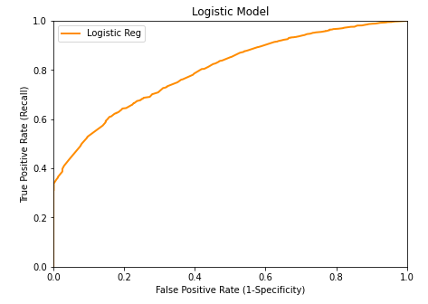
August | $188.00
September | $197.00
October | $197.00
November | $197.00
December | $101.00

Average Tariff | $183.08

Classification matrix (Confusion)
(Actual along side, predicted along top)
 | Not Cancelled | Cancelled
Not Cancelled | 18166 | 687 | 18853
Cancelled | 6240 | 4755 | 10995

Percent correct classifications
 | 76.79%

Probability of classification of an Individual
(Actual along side, predicted along top)
 | Yes | No
Yes | 0.609 | 0.023
No | 0.209 | 0.159
 | 0.818 | 0.182

Expected Return
 | $2,183,412.08

